Test Setup
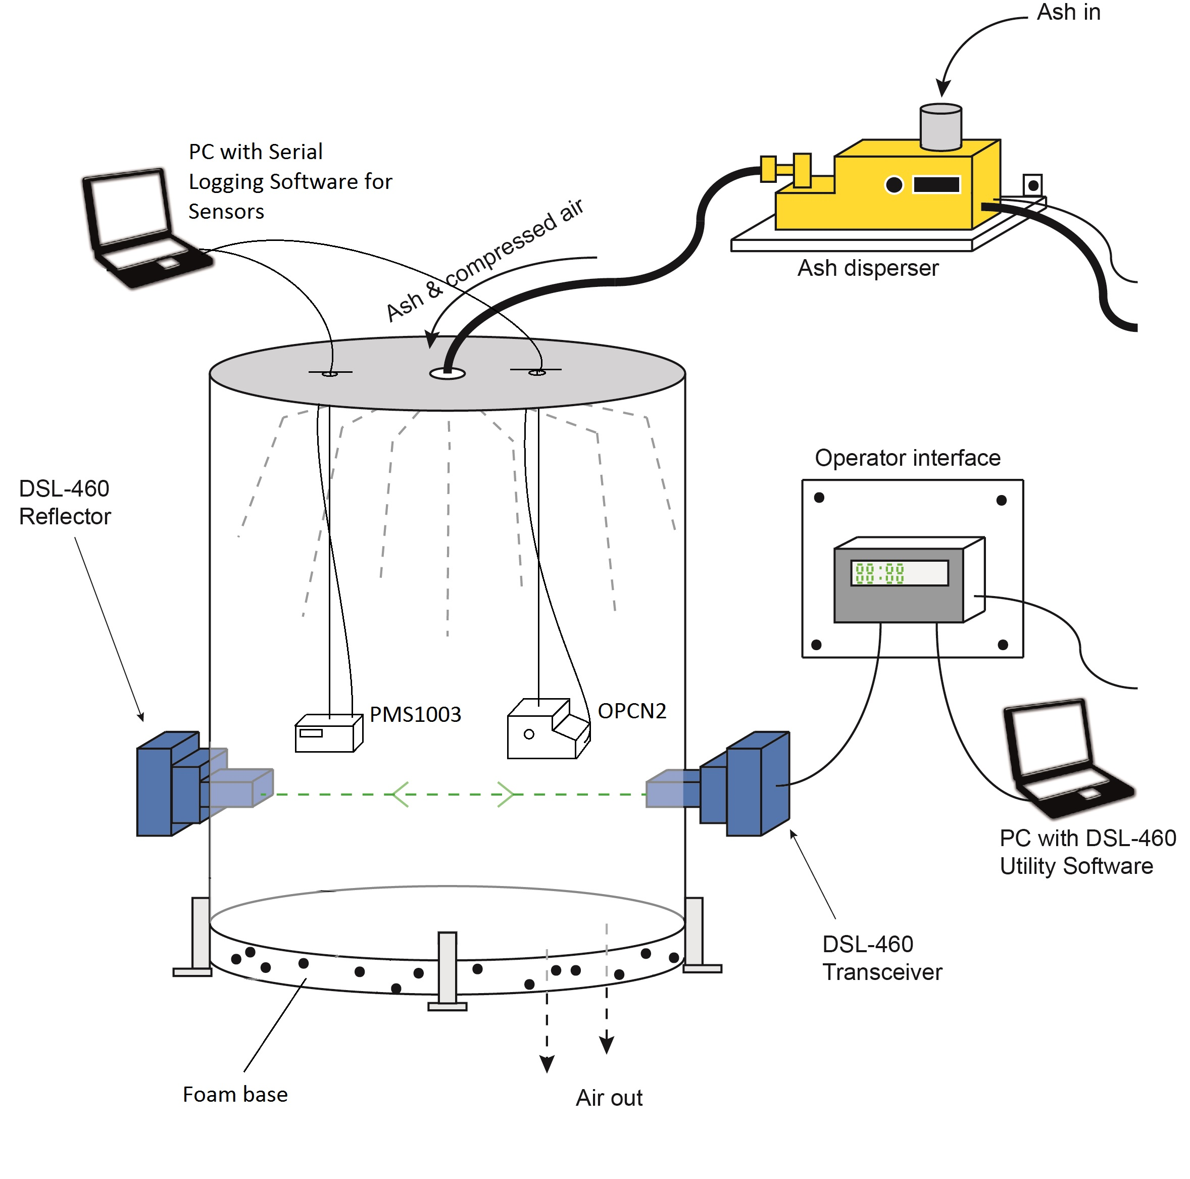
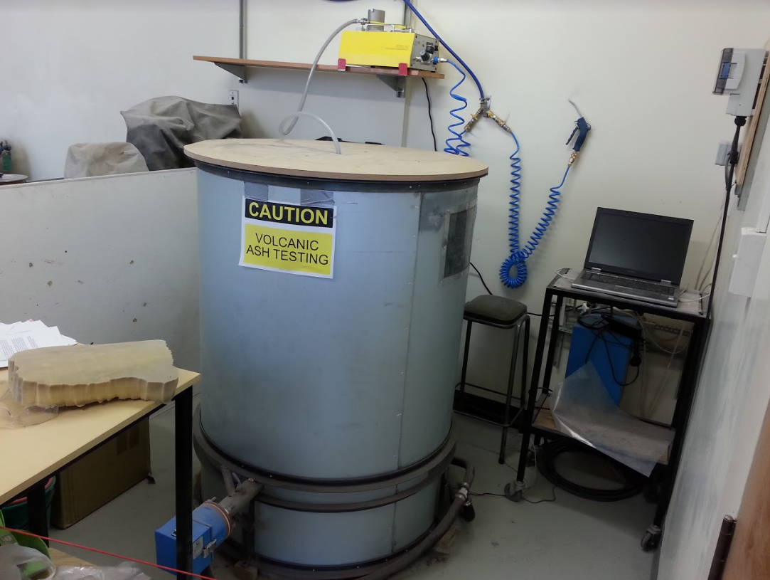
Test setup was as shown, sensors were hung in chamber just above opacity meter laser beam. SAG flow was controlled (turned on and off) into the chamber to where a reading of approximately 10 mg/m^3 was read by the sensors.

Data and Sensor Comparison
ISO A2 Fine Test Dust
 | OPCN2 |  | PMS1003 |  | Opacity Meter |  | Injecting Dust with SAG
0 | 0.01 | 2.92 | 0.00542 | 1 | 0 | 0 | 0
10.2 | 0 | 5.09 | 0.00551 | 2 | 0 | 99 | 0
20.3 | 0 | 7.26 | 0.00556 | 3 | 0 | 100 | 25
30.5 | 0.01 | 9.43 | 0.00585 | 4 | 0 | 130 | 25
40.6 | 0.01 | 11.60 | 0.0043 | 5 | 0 | 131 | 0
50.8 | 0.01 | 13.77 | 0.00302 | 6 | 0 | 199 | 0
61 | 0.01 | 15.94 | 0.00337 | 7 | 0 | 200 | 25
71.1 | 0.01 | 18.10 | 0.00333 | 8 | 0 | 235 | 25
81.3 | 0 | 20.27 | 0.00359 | 9 | 0 | 236 | 0
91.4 | 0 | 22.44 | 0.00565 | 10 | 0 | 379 | 0
101.6 | 0.01 | 24.61 | 0.00569 | 11 | 0 | 380 | 25
111.8 | 0.27 | 26.78 | 0.0048 | 12 | 0 | 423 | 25
121.9 | 8.86 | 28.95 | 0.00477 | 13 | 0 | 424 | 0
132.1 | 11.64 | 31.12 | 0.00443 | 14 | 0 | 1200 | 0
142.2 | 10.45 | 33.29 | 0.00442 | 15 | 0
152.4 | 12.95 | 35.46 | 0.00444 | 16 | 0
162.5 | 10.74 | 37.62 | 0.00446 | 17 | 0
172.7 | 10.51 | 39.79 | 0.00438 | 18 | 0
182.9 | 8.38 | 41.96 | 0.00406 | 19 | 0
193 | 6.83 | 44.13 | 0.00198 | 20 | 0
203.2 | 6.76 | 46.30 | 0.00186 | 21 | 0
213.3 | 4.67 | 48.47 | 0.00186 | 22 | 0
223.5 | 9.09 | 50.64 | 0.00196 | 23 | 0
233.6 | 12.72 | 52.81 | 0.00211 | 24 | 0
243.8 | 15.03 | 54.97 | 0.00222 | 25 | 0
253.9 | 15.2 | 57.14 | 0.00254 | 26 | 0
264.1 | 13.88 | 59.31 | 0.00218 | 27 | 0
274.3 | 12.29 | 61.48 | 0.00229 | 28 | 0
284.4 | 10.77 | 63.65 | 0.00424 | 29 | 0
294.6 | 7.9 | 65.82 | 0.00547 | 30 | 0
304.7 | 7.37 | 67.99 | 0.00547 | 31 | 0
314.9 | 7.87 | 70.16 | 0.00569 | 32 | 0
325.1 | 7.29 | 72.32 | 0.00577 | 33 | 0
335.2 | 6.76 | 74.49 | 0.00552 | 34 | 0
345.4 | 6.19 | 76.66 | 0.00538 | 35 | 0
355.5 | 5.19 | 78.83 | 0.00617 | 36 | 0
365.7 | 4.46 | 81.00 | 0.00617 | 37 | 0
375.8 | 4.27 | 83.17 | 0.00611 | 38 | 0
386 | 4.52 | 85.34 | 0.0045 | 39 | 0
396.2 | 3.91 | 87.50 | 0.00319 | 40 | 0
406.3 | 8.71 | 89.67 | 0.00501 | 41 | 0
416.5 | 11.59 | 91.84 | 0.00474 | 42 | 0
426.6 | 16.67 | 94.01 | 0.00562 | 43 | 0
436.8 | 18.48 | 96.18 | 0.00563 | 44 | 0
446.9 | 15.42 | 98.35 | 0.00557 | 45 | 0
457.1 | 15.38 | 100.52 | 0.00457 | 46 | 0
467.3 | 14.26 | 102.69 | 0.0045 | 47 | 0
477.4 | 11.95 | 104.86 | 0.00454 | 48 | 0
487.6 | 11.57 | 107.02 | 0.00447 | 49 | 0
497.7 | 9.72 | 109.19 | 0.0046 | 50 | 0
...
Dust Used
ISO 12103-1 A2 Fine Test dust was used (supplied with SAG) as this has a known particle distribution shown on the next sheet.
OPCN2 Notes
OPCN2 sample time was increased to 5 seconds for this test. However, due to a known error with the serial logging software used, only every second data point was logged. Hence the data plotted is only every 10 seconds.
PMS1003 Notes
Maximum assumed particle size was set at 40um, as 90% of particles are less than 44 micron with the test dust used (shown on the cumulative graph next sheet).
Opacity Meter Notes
This time the opacity meter blower was turned on to purge air through the lenses to keep them clean throughout the test. This was forgotten about last test, hence likely resulted in the large drift seen previously with the opacity meter.
 |  | 0.38 - 1.05 Micron | 1.05 - 3 Micron | 3 - 10 Micron | 10 - 14 Micron | 14 - 17.5 Micron | OPCN2 | Time Since Start | PMS1003 in ug | PMS1003 | Time (s) | Opacity Meter | Time | Injecting Dust with SAG
10.2 | 0 | 0 | 0 | 0 | 0 | 0 | 0.01 | 2.92 | 5.42 | 0.00542 | 1 | 0 | 0 | 0
20.4 | 10.2 | 0 | 0 | 0 | 0 | 0 | 0 | 5.09 | 5.51 | 0.00551 | 2 | 0 | 99 | 0
30.5 | 20.3 | 0 | 0 | 0 | 0 | 0 | 0 | 7.26 | 5.56 | 0.00556 | 3 | 0 | 100 | 25
40.7 | 30.5 | 0 | 0 | 0 | 0 | 0 | 0.01 | 9.43 | 5.85 | 0.00585 | 4 | 0 | 130 | 25
50.8 | 40.6 | 0 | 0 | 0 | 0 | 0 | 0.01 | 11.60 | 4.3 | 0.0043 | 5 | 0 | 131 | 0
61 | 50.8 | 0 | 0 | 0 | 0 | 0 | 0.01 | 13.77 | 3.02 | 0.00302 | 6 | 0 | 199 | 0
71.2 | 61 | 0 | 0 | 0 | 0 | 0 | 0.01 | 15.94 | 3.37 | 0.00337 | 7 | 0 | 200 | 25
81.3 | 71.1 | 0 | 0 | 0 | 0 | 0 | 0.01 | 18.10 | 3.33 | 0.00333 | 8 | 0 | 235 | 25
91.5 | 81.3 | 0 | 0 | 0 | 0 | 0 | 0 | 20.27 | 3.59 | 0.00359 | 9 | 0 | 236 | 0
101.6 | 91.4 | 0 | 0 | 0 | 0 | 0 | 0 | 22.44 | 5.65 | 0.00565 | 10 | 0 | 379 | 0
111.8 | 101.6 | 0 | 0 | 0 | 0 | 0 | 0.01 | 24.61 | 5.69 | 0.00569 | 11 | 0 | 380 | 25
122 | 111.8 | 0.01 | 0 | 0.03 | 0.09 | 0 | 0.27 | 26.78 | 4.8 | 0.0048 | 12 | 0 | 423 | 25
132.1 | 121.9 | 0.14 | 0.16 | 1.59 | 2.06 | 1.72 | 8.86 | 28.95 | 4.77 | 0.00477 | 13 | 0 | 424 | 0
142.3 | 132.1 | 0.1 | 0.44 | 2.62 | 2.15 | 1.24 | 11.64 | 31.12 | 4.43 | 0.00443 | 14 | 0 | 1200 | 0
152.4 | 142.2 | 0.04 | 0.52 | 2.67 | 1.96 | 1.15 | 10.45 | 33.29 | 4.42 | 0.00442 | 15 | 0
162.6 | 152.4 | 0.04 | 0.5 | 2.89 | 3 | 1.55 | 12.95 | 35.46 | 4.44 | 0.00444 | 16 | 0
172.7 | 162.5 | 0.06 | 0.48 | 2.14 | 2.02 | 1.22 | 10.74 | 37.62 | 4.46 | 0.00446 | 17 | 0
182.9 | 172.7 | 0.07 | 0.47 | 2.06 | 1.84 | 1.37 | 10.51 | 39.79 | 4.38 | 0.00438 | 18 | 0
193.1 | 182.9 | 0.08 | 0.45 | 1.71 | 2.06 | 0.44 | 8.38 | 41.96 | 4.06 | 0.00406 | 19 | 0
203.2 | 193 | 0.08 | 0.42 | 1.53 | 1.39 | 0.74 | 6.83 | 44.13 | 1.98 | 0.00198 | 20 | 0
213.4 | 203.2 | 0.09 | 0.4 | 1.44 | 1.59 | 0.8 | 6.76 | 46.30 | 1.86 | 0.00186 | 21 | 0
223.5 | 213.3 | 0.1 | 0.37 | 1.16 | 0.76 | 0.22 | 4.67 | 48.47 | 1.86 | 0.00186 | 22 | 0
233.7 | 223.5 | 0.06 | 0.49 | 2.09 | 1.48 | 0.96 | 9.09 | 50.64 | 1.96 | 0.00196 | 23 | 0
243.8 | 233.6 | 0.01 | 0.44 | 3.44 | 2.37 | 1.42 | 12.72 | 52.81 | 2.11 | 0.00211 | 24 | 0
254 | 243.8 | 0 | 0.34 | 4.45 | 2.82 | 1.41 | 15.03 | 54.97 | 2.22 | 0.00222 | 25 | 0
264.1 | 253.9 | 0 | 0.32 | 4.55 | 2.66 | 1.86 | 15.2 | 57.14 | 2.54 | 0.00254 | 26 | 0
274.3 | 264.1 | 0.01 | 0.38 | 3.84 | 2.35 | 1.56 | 13.88 | 59.31 | 2.18 | 0.00218 | 27 | 0
284.5 | 274.3 | 0.01 | 0.41 | 3.41 | 2.59 | 1.16 | 12.29 | 61.48 | 2.29 | 0.00229 | 28 | 0
294.6 | 284.4 | 0.02 | 0.42 | 3.14 | 2.21 | 1 | 10.77 | 63.65 | 4.24 | 0.00424 | 29 | 0
304.8 | 294.6 | 0.02 | 0.45 | 2.46 | 1.16 | 0.55 | 7.9 | 65.82 | 5.47 | 0.00547 | 30 | 0
314.9 | 304.7 | 0.03 | 0.44 | 2.34 | 1.1 | 0.48 | 7.37 | 67.99 | 5.47 | 0.00547 | 31 | 0
325.1 | 314.9 | 0.03 | 0.46 | 2.39 | 1.17 | 0.79 | 7.87 | 70.16 | 5.69 | 0.00569 | 32 | 0
335.3 | 325.1 | 0.04 | 0.44 | 1.85 | 1.14 | 0.76 | 7.29 | 72.32 | 5.77 | 0.00577 | 33 | 0
345.4 | 335.2 | 0.05 | 0.45 | 1.87 | 1.33 | 0.57 | 6.76 | 74.49 | 5.52 | 0.00552 | 34 | 0
355.6 | 345.4 | 0.05 | 0.44 | 1.61 | 1.05 | 0.43 | 6.19 | 76.66 | 5.38 | 0.00538 | 35 | 0
365.7 | 355.5 | 0.06 | 0.42 | 1.38 | 0.76 | 0.51 | 5.19 | 78.83 | 6.17 | 0.00617 | 36 | 0
375.9 | 365.7 | 0.07 | 0.41 | 1.18 | 0.73 | 0.15 | 4.46 | 81.00 | 6.17 | 0.00617 | 37 | 0
386 | 375.8 | 0.08 | 0.39 | 1.15 | 0.91 | 0.38 | 4.27 | 83.17 | 6.11 | 0.00611 | 38 | 0
396.2 | 386 | 0.08 | 0.39 | 1.08 | 0.78 | 0.46 | 4.52 | 85.34 | 4.5 | 0.0045 | 39 | 0
406.4 | 396.2 | 0.08 | 0.37 | 1.03 | 0.44 | 0.3 | 3.91 | 87.50 | 3.19 | 0.00319 | 40 | 0
416.5 | 406.3 | 0.03 | 0.47 | 3.15 | 1.18 | 0.81 | 8.71 | 89.67 | 5.01 | 0.00501 | 41 | 0
426.7 | 416.5 | 0.01 | 0.4 | 4.32 | 2.3 | 0.72 | 11.59 | 91.84 | 4.74 | 0.00474 | 42 | 0
436.8 | 426.6 | 0 | 0.23 | 6.23 | 2.66 | 1.68 | 16.67 | 94.01 | 5.62 | 0.00562 | 43 | 0
447 | 436.8 | 0 | 0.23 | 6.68 | 3.4 | 1.8 | 18.48 | 96.18 | 5.63 | 0.00563 | 44 | 0
457.1 | 446.9 | 0 | 0.22 | 6.73 | 2.42 | 0.85 | 15.42 | 98.35 | 5.57 | 0.00557 | 45 | 0
467.3 | 457.1 | 0.01 | 0.29 | 6.14 | 2.5 | 1.03 | 15.38 | 100.52 | 4.57 | 0.00457 | 46 | 0
477.5 | 467.3 | 0.01 | 0.33 | 5.3 | 2.57 | 1.1 | 14.26 | 102.69 | 4.5 | 0.0045 | 47 | 0
487.6 | 477.4 | 0.01 | 0.34 | 4.78 | 2.02 | 0.75 | 11.95 | 104.86 | 4.54 | 0.00454 | 48 | 0
497.8 | 487.6 | 0.01 | 0.37 | 4.6 | 1.87 | 0.69 | 11.57 | 107.02 | 4.47 | 0.00447 | 49 | 0
507.9 | 497.7 | 0.02 | 0.38 | 3.86 | 1.31 | 0.81 | 9.72 | 109.19 | 4.6 | 0.0046 | 50 | 0
518.1 | 507.9 | 0.02 | 0.4 | 3.36 | 1.32 | 0.82 | 9.47 | 111.36 | 5.81 | 0.00581 | 51 | 0
528.2 | 518 | 0.03 | 0.41 | 3.32 | 1.67 | 0.77 | 9.96 | 113.53 | 173.42 | 0.17342 | 52 | 0
538.4 | 528.2 | 0.03 | 0.41 | 2.83 | 1.32 | 0.64 | 8.05 | 115.64 | 785.89 | 0.78589 | 53 | 0
548.6 | 538.4 | 0.04 | 0.41 | 2.55 | 1.04 | 0.71 | 7.55 | 117.79 | 1074.78 | 1.07478 | 54 | 0
558.7 | 548.5 | 0.05 | 0.4 | 2.56 | 1.05 | 0.14 | 6.45 | 119.94 | 1584.98 | 1.58498 | 55 | 0
568.9 | 558.7 | 0.05 | 0.4 | 2.15 | 0.58 | 0.43 | 5.73 | 122.03 | 1806.65 | 1.80665 | 56 | 0
579 | 568.8 | 0.06 | 0.4 | 2.01 | 0.88 | 0.59 | 6.25 | 124.12 | 2390.13 | 2.39013 | 57 | 0
589.2 | 579 | 0.06 | 0.38 | 1.78 | 0.68 | 0.15 | 5.26 | 126.19 | 3359.25 | 3.35925 | 58 | 0
599.3 | 589.1 | 0.07 | 0.36 | 1.58 | 0.72 | 0.3 | 4.42 | 128.28 | 4293.77 | 4.29377 | 59 | 0
609.5 | 599.3 | 0.08 | 0.35 | 1.54 | 0.42 | 0.76 | 4.83 | 130.39 | 4932.6 | 4.9326 | 60 | 0
619.6 | 609.4 | 0.08 | 0.32 | 1.32 | 0.53 | 0.08 | 3.64 | 132.46 | 5297.64 | 5.29764 | 61 | 0
629.8 | 619.6 | 0.08 | 0.3 | 1.09 | 0.56 | 0.08 | 3.3 | 134.52 | 5846.77 | 5.84677 | 62 | 0
640 | 629.8 | 0.09 | 0.29 | 1.11 | 0.46 | 0.23 | 3.28 | 136.60 | 6217.06 | 6.21706 | 63 | 0
650.1 | 639.9 | 0.09 | 0.26 | 0.94 | 0.57 | 0.16 | 3.08 | 138.68 | 6600.78 | 6.60078 | 64 | 0
660.3 | 650.1 | 0.09 | 0.25 | 0.94 | 0.31 | 0 | 2.51 | 140.75 | 6803.41 | 6.80341 | 65 | 0
670.4 | 660.2 | 0.09 | 0.22 | 0.78 | 0.17 | 0.16 | 2.35 | 142.82 | 7085.64 | 7.08564 | 66 | 0
680.6 | 670.4 | 0.09 | 0.21 | 0.75 | 0.38 | 0.24 | 2.43 | 144.89 | 7372.37 | 7.37237 | 67 | 0
690.8 | 680.6 | 0.09 | 0.2 | 0.69 | 0.26 | 0 | 1.99 | 146.98 | 7393.56 | 7.39356 | 68 | 0
700.9 | 690.7 | 0.08 | 0.19 | 0.59 | 0.35 | 0.08 | 1.89 | 149.05 | 6907.5 | 6.9075 | 69 | 0
711.1 | 700.9 | 0.08 | 0.17 | 0.47 | 0.17 | 0.16 | 1.79 | 151.10 | 7017.55 | 7.01755 | 70 | 0
721.2 | 711 | 0.08 | 0.16 | 0.44 | 0.15 | 0.08 | 1.48 | 153.16 | 7507.3 | 7.5073 | 71 | 0
731.4 | 721.2 | 0.08 | 0.14 | 0.41 | 0.21 | 0 | 1.34 | 155.24 | 7506.85 | 7.50685 | 72 | 0
741.5 | 731.3 | 0.08 | 0.13 | 0.38 | 0.09 | 0.08 | 1.19 | 157.31 | 7356.28 | 7.35628 | 73 | 0
751.7 | 741.5 | 0.07 | 0.13 | 0.3 | 0.21 | 0 | 1.14 | 159.37 | 7113.99 | 7.11399 | 74 | 0
761.8 | 751.6 | 0.07 | 0.12 | 0.32 | 0.15 | 0.08 | 1.07 | 161.45 | 7826.62 | 7.82662 | 75 | 0
772 | 761.8 | 0.07 | 0.1 | 0.3 | 0.03 | 0.08 | 0.87 | 163.55 | 7531.66 | 7.53166 | 76 | 0
782.2 | 772 | 0.06 | 0.1 | 0.24 | 0.06 | 0 | 0.7 | 165.61 | 7659.29 | 7.65929 | 77 | 0
792.3 | 782.1 | 0.06 | 0.09 | 0.27 | 0.03 | 0 | 0.69 | 167.69 | 7351.36 | 7.35136 | 78 | 0
802.5 | 792.3 | 0.05 | 0.08 | 0.26 | 0.12 | 0.08 | 0.94 | 169.77 | 7364.78 | 7.36478 | 79 | 0
812.6 | 802.4 | 0.05 | 0.07 | 0.21 | 0.06 | 0 | 0.6 | 171.87 | 7307.73 | 7.30773 | 80 | 0
822.8 | 812.6 | 0.05 | 0.07 | 0.2 | 0.06 | 0.09 | 0.62 | 173.97 | 7268.06 | 7.26806 | 81 | 0
832.9 | 822.7 | 0.04 | 0.06 | 0.16 | 0 | 0 | 0.41 | 176.08 | 7355.79 | 7.35579 | 82 | 0
843.1 | 832.9 | 0.04 | 0.06 | 0.12 | 0 | 0 | 0.35 | 178.16 | 7502.18 | 7.50218 | 83 | 0
853.3 | 843.1 | 0.04 | 0.05 | 0.13 | 0.09 | 0 | 0.42 | 180.26 | 7560.21 | 7.56021 | 84 | 0
863.4 | 853.2 | 0.04 | 0.05 | 0.13 | 0.09 | 0 | 0.38 | 182.34 | 6510.03 | 6.51003 | 85 | 0
873.6 | 863.4 | 0.03 | 0.04 | 0.15 | 0.03 | 0 | 0.33 | 184.43 | 7689.22 | 7.68922 | 86 | 0
883.7 | 873.5 | 0.03 | 0.04 | 0.11 | 0 | 0 | 0.27 | 186.51 | 7177.48 | 7.17748 | 87 | 0
893.9 | 883.7 | 0.03 | 0.03 | 0.1 | 0 | 0 | 0.21 | 188.61 | 7656.72 | 7.65672 | 88 | 0
904 | 893.8 | 0.03 | 0.03 | 0.07 | 0 | 0 | 0.18 | 190.70 | 7648.12 | 7.64812 | 89 | 0
914.2 | 904 | 0.02 | 0.03 | 0.07 | 0 | 0 | 0.2 | 192.80 | 7627.51 | 7.62751 | 90 | 0
924.3 | 914.1 | 0.02 | 0.03 | 0.07 | 0.03 | 0 | 0.21 | 194.90 | 7177.11 | 7.17711 | 91 | 0
934.5 | 924.3 | 0.02 | 0.02 | 0.07 | 0 | 0 | 0.16 | 196.98 | 7043.78 | 7.04378 | 92 | 0
944.7 | 934.5 | 0.02 | 0.02 | 0.05 | 0.03 | 0.08 | 0.27 | 199.07 | 6657.24 | 6.65724 | 93 | 0
954.8 | 944.6 | 0.02 | 0.02 | 0.05 | 0.03 | 0 | 0.16 | 201.16 | 6538.76 | 6.53876 | 94 | 0
965 | 954.8 | 0.02 | 0.02 | 0.05 | 0 | 0 | 0.16 | 203.28 | 6533.97 | 6.53397 | 95 | 0
975.1 | 964.9 | 0.02 | 0.02 | 0.03 | 0 | 0 | 0.17 | 205.39 | 6276.4 | 6.2764 | 96 | 0
985.3 | 975.1 | 0.02 | 0.02 | 0.04 | 0.09 | 0 | 0.19 | 207.49 | 6247.78 | 6.24778 | 97 | 0
995.4 | 985.2 | 0.01 | 0.01 | 0.05 | 0 | 0 | 0.11 | 209.62 | 5521.73 | 5.52173 | 98 | 0
1005.6 | 995.4 | 0.01 | 0.01 | 0.04 | 0 | 0 | 0.13 | 211.73 | 5502.15 | 5.50215 | 99 | 0
1015.7 | 1005.5 | 0.01 | 0.01 | 0.03 | 0 | 0 | 0.09 | 213.84 | 5172.03 | 5.17203 | 100 | 0
1025.9 | 1015.7 | 0.01 | 0.01 | 0.02 | 0 | 0 | 0.14 | 215.92 | 6021.89 | 6.02189 | 101 | 0
1036.1 | 1025.9 | 0.01 | 0.01 | 0.03 | 0 | 0 | 0.06 | 218.02 | 6395.65 | 6.39565 | 102 | 0
1046.2 | 1036 | 0.01 | 0.01 | 0.03 | 0 | 0 | 0.09 | 220.08 | 7114.11 | 7.11411 | 103 | 0
1056.4 | 1046.2 | 0.01 | 0.01 | 0.02 | 0 | 0 | 0.05 | 222.16 | 8240.27 | 8.24027 | 104 | 0
1066.5 | 1056.3 | 0.01 | 0.01 | 0.01 | 0 | 0 | 0.04 | 224.23 | 8732.31 | 8.73231 | 105 | 0
1076.7 | 1066.5 | 0.01 | 0.01 | 0.01 | 0 | 0 | 0.04 | 226.30 | 9325.49 | 9.32549 | 106 | 0
1086.8 | 1076.6 | 0.01 | 0.01 | 0.01 | 0 | 0 | 0.04 | 228.40 | 11249.79 | 11.24979 | 107 | 0
1097 | 1086.8 | 0.01 | 0.01 | 0.01 | 0 | 0 | 0.04 | 230.47 | 11912.93 | 11.91293 | 108 | 0
1107.1 | 1096.9 | 0.01 | 0.01 | 0.01 | 0 | 0 | 0.03 | 232.54 | 12551.58 | 12.55158 | 109 | 0
1117.3 | 1107.1 | 0.01 | 0 | 0.01 | 0 | 0 | 0.03 | 234.61 | 15499.2 | 15.4992 | 110 | 0
1127.5 | 1117.3 | 0.01 | 0 | 0 | 0 | 0 | 0.02 | 236.68 | 15966.67 | 15.96667 | 111 | 0
1137.6 | 1127.4 | 0.01 | 0 | 0.03 | 0 | 0 | 0.05 | 238.76 | 16498.72 | 16.49872 | 112 | 0
1147.8 | 1137.6 | 0.01 | 0 | 0 | 0 | 0 | 0.02 | 240.86 | 16295.48 | 16.29548 | 113 | 0
1157.9 | 1147.7 | 0.01 | 0 | 0.01 | 0 | 0 | 0.02 | 242.93 | 16338.32 | 16.33832 | 114 | 0
1168.1 | 1157.9 | 0 | 0 | 0 | 0 | 0 | 0.02 | 244.99 | 17373.47 | 17.37347 | 115 | 0
1178.2 | 1168 | 0 | 0 | 0 | 0 | 0 | 0.01 | 247.06 | 17319.83 | 17.31983 | 116 | 0
1188.4 | 1178.2 | 0 | 0 | 0.01 | 0 | 0 | 0.02 | 249.16 | 16338.67 | 16.33867 | 117 | 0
1198.5 | 1188.3 | 0 | 0 | 0 | 0 | 0 | 0.02 | 251.24 | 16612.95 | 16.61295 | 118 | 0
1208.7 | 1198.5 | 0 | 0 | 0 | 0 | 0 | 0.01 | 253.30 | 17064.15 | 17.06415 | 119 | 0.5
1218.9 | 1208.7 | 0 | 0 | 0 | 0 | 0 | 0.01 | 255.38 | 15152 | 15.152 | 120 | 1
1229 | 1218.8 | 0 | 0 | 0 | 0 | 0 | 0.01 | 257.44 | 14448.45 | 14.44845 | 121 | 1.5
 |  |  |  |  |  |  |  | 259.55 | 13819.83 | 13.81983 | 122 | 1.9
 |  |  |  |  |  |  |  | 261.64 | 14006.66 | 14.00666 | 123 | 2.6
 |  |  |  |  |  |  |  | 263.72 | 14117.78 | 14.11778 | 124 | 3.1
 |  |  |  |  |  |  |  | 265.82 | 13946.81 | 13.94681 | 125 | 3.7
 |  |  |  |  |  |  |  | 267.89 | 13426.72 | 13.42672 | 126 | 4.2
 |  |  |  |  |  |  |  | 269.98 | 12782.12 | 12.78212 | 127 | 5.3
 |  |  |  |  |  |  |  | 272.07 | 13694.42 | 13.69442 | 128 | 6.1
 |  |  |  |  |  |  |  | 274.17 | 13856.05 | 13.85605 | 129 | 7.3
 |  |  |  |  |  |  |  | 276.27 | 14621.22 | 14.62122 | 130 | 8.6
 |  |  |  |  |  |  |  | 278.36 | 14779.64 | 14.77964 | 131 | 11.3
 |  |  |  |  |  |  |  | 280.44 | 14752.57 | 14.75257 | 132 | 12.2
 |  |  |  |  |  |  |  | 282.51 | 14617.21 | 14.61721 | 133 | 12.6
 |  |  |  |  |  |  |  | 284.60 | 14647.6 | 14.6476 | 134 | 12.7
 |  |  |  |  |  |  |  | 286.68 | 13820.52 | 13.82052 | 135 | 12.3
 |  |  |  |  |  |  |  | 288.75 | 14034.81 | 14.03481 | 136 | 11.8
 |  |  |  |  |  |  |  | 290.84 | 14547 | 14.547 | 137 | 11.3
 |  |  |  |  |  |  |  | 292.92 | 13617.99 | 13.61799 | 138 | 10.7
 |  |  |  |  |  |  |  | 294.99 | 12983.58 | 12.98358 | 139 | 9.9
 |  |  |  |  |  |  |  | 297.08 | 12099.22 | 12.09922 | 140 | 9.4
 |  |  |  |  |  |  |  | 299.17 | 12061.49 | 12.06149 | 141 | 8.9
 |  |  |  |  |  |  |  | 301.25 | 12387.5 | 12.3875 | 142 | 8.4
 |  |  |  |  |  |  |  | 303.33 | 11804.57 | 11.80457 | 143 | 7.7
 |  |  |  |  |  |  |  | 305.40 | 11589.17 | 11.58917 | 144 | 7.4
 |  |  |  |  |  |  |  | 307.50 | 12001.59 | 12.00159 | 145 | 7.2
 |  |  |  |  |  |  |  | 309.62 | 11653.3 | 11.6533 | 146 | 7
 |  |  |  |  |  |  |  | 311.71 | 11277.09 | 11.27709 | 147 | 6.6
 |  |  |  |  |  |  |  | 313.78 | 11502.48 | 11.50248 | 148 | 6.5
 |  |  |  |  |  |  |  | 315.86 | 11692.17 | 11.69217 | 149 | 6.5
 |  |  |  |  |  |  |  | 317.97 | 11478.21 | 11.47821 | 150 | 6.4
 |  |  |  |  |  |  |  | 320.06 | 10695.16 | 10.69516 | 151 | 6.4
 |  |  |  |  |  |  |  | 322.16 | 10078.65 | 10.07865 | 152 | 6.3
 |  |  |  |  |  |  |  | 324.26 | 10917.83 | 10.91783 | 153 | 6.2
 |  |  |  |  |  |  |  | 326.36 | 10665.13 | 10.66513 | 154 | 6.1
 |  |  |  |  |  |  |  | 328.46 | 10541.48 | 10.54148 | 155 | 6
 |  |  |  |  |  |  |  | 330.57 | 10768.57 | 10.76857 | 156 | 5.9
 |  |  |  |  |  |  |  | 332.69 | 10565.23 | 10.56523 | 157 | 5.9
 |  |  |  |  |  |  |  | 334.80 | 10171.36 | 10.17136 | 158 | 5.9
 |  |  |  |  |  |  |  | 336.92 | 9401.14 | 9.40114 | 159 | 5.7
 |  |  |  |  |  |  |  | 339.03 | 9046.92 | 9.04692 | 160 | 5.7
 |  |  |  |  |  |  |  | 341.12 | 9789.8 | 9.7898 | 161 | 5.7
 |  |  |  |  |  |  |  | 343.23 | 10208.4 | 10.2084 | 162 | 5.5
 |  |  |  |  |  |  |  | 345.34 | 9420.52 | 9.42052 | 163 | 5.3
 |  |  |  |  |  |  |  | 347.45 | 9193.37 | 9.19337 | 164 | 5.1
 |  |  |  |  |  |  |  | 349.54 | 8839.97 | 8.83997 | 165 | 5
 |  |  |  |  |  |  |  | 351.66 | 8579.62 | 8.57962 | 166 | 5
 |  |  |  |  |  |  |  | 353.80 | 8843.54 | 8.84354 | 167 | 5
 |  |  |  |  |  |  |  | 355.90 | 8148.75 | 8.14875 | 168 | 4.9
 |  |  |  |  |  |  |  | 358.00 | 8134.93 | 8.13493 | 169 | 4.8
 |  |  |  |  |  |  |  | 360.12 | 8277.09 | 8.27709 | 170 | 4.7
 |  |  |  |  |  |  |  | 362.24 | 8179.11 | 8.17911 | 171 | 4.6
 |  |  |  |  |  |  |  | 364.36 | 7748.11 | 7.74811 | 172 | 4.6
 |  |  |  |  |  |  |  | 366.49 | 7707.5 | 7.7075 | 173 | 4.6
 |  |  |  |  |  |  |  | 368.62 | 7299.06 | 7.29906 | 174 | 4.6
 |  |  |  |  |  |  |  | 370.77 | 6839.75 | 6.83975 | 175 | 4.6
 |  |  |  |  |  |  |  | 372.90 | 6297.98 | 6.29798 | 176 | 4.4
 |  |  |  |  |  |  |  | 375.05 | 5805.16 | 5.80516 | 177 | 4.3
 |  |  |  |  |  |  |  | 377.17 | 5980.1 | 5.9801 | 178 | 4.1
 |  |  |  |  |  |  |  | 379.35 | 6288.41 | 6.28841 | 179 | 3.9
 |  |  |  |  |  |  |  | 381.48 | 5875.27 | 5.87527 | 180 | 3.7
 |  |  |  |  |  |  |  | 383.62 | 5681.8 | 5.6818 | 181 | 3.6
 |  |  |  |  |  |  |  | 385.80 | 5415.62 | 5.41562 | 182 | 3.5
 |  |  |  |  |  |  |  | 387.94 | 5466.79 | 5.46679 | 183 | 3.5
 |  |  |  |  |  |  |  | 390.08 | 5271.5 | 5.2715 | 184 | 3.5
 |  |  |  |  |  |  |  | 392.22 | 5253.68 | 5.25368 | 185 | 3.4
 |  |  |  |  |  |  |  | 394.32 | 5702.43 | 5.70243 | 186 | 3.3
 |  |  |  |  |  |  |  | 396.40 | 6576.94 | 6.57694 | 187 | 3.2
 |  |  |  |  |  |  |  | 398.51 | 6373.97 | 6.37397 | 188 | 3.2
 |  |  |  |  |  |  |  | 400.59 | 6616.89 | 6.61689 | 189 | 3.1
 |  |  |  |  |  |  |  | 402.69 | 7838.09 | 7.83809 | 190 | 3.1
 |  |  |  |  |  |  |  | 404.79 | 8534.9 | 8.5349 | 191 | 3.1
 |  |  |  |  |  |  |  | 406.91 | 9729.92 | 9.72992 | 192 | 2.9
 |  |  |  |  |  |  |  | 409.00 | 9965.14 | 9.96514 | 193 | 2.9
 |  |  |  |  |  |  |  | 411.10 | 10988.64 | 10.98864 | 194 | 2.8
 |  |  |  |  |  |  |  | 413.17 | 11801.67 | 11.80167 | 195 | 2.7
 |  |  |  |  |  |  |  | 415.28 | 12813.41 | 12.81341 | 196 | 2.6
 |  |  |  |  |  |  |  | 417.41 | 13148.7 | 13.1487 | 197 | 2.6
 |  |  |  |  |  |  |  | 419.50 | 14493.61 | 14.49361 | 198 | 2.7
 |  |  |  |  |  |  |  | 421.60 | 15488.47 | 15.48847 | 199 | 2.7
 |  |  |  |  |  |  |  | 423.69 | 15720.4 | 15.7204 | 200 | 2.6
 |  |  |  |  |  |  |  | 425.78 | 15456.32 | 15.45632 | 201 | 2.5
 |  |  |  |  |  |  |  | 427.89 | 15460.46 | 15.46046 | 202 | 2.5
 |  |  |  |  |  |  |  | 430.04 | 16244.29 | 16.24429 | 203 | 2.4
 |  |  |  |  |  |  |  | 432.17 | 16354.47 | 16.35447 | 204 | 2.3
 |  |  |  |  |  |  |  | 434.28 | 17375.33 | 17.37533 | 205 | 2.3
 |  |  |  |  |  |  |  | 436.35 | 16857.83 | 16.85783 | 206 | 2.2
 |  |  |  |  |  |  |  | 438.48 | 17381.05 | 17.38105 | 207 | 2.1
 |  |  |  |  |  |  |  | 440.59 | 17696.63 | 17.69663 | 208 | 2
 |  |  |  |  |  |  |  | 442.69 | 17095.05 | 17.09505 | 209 | 2
 |  |  |  |  |  |  |  | 444.82 | 17168.98 | 17.16898 | 210 | 1.9
 |  |  |  |  |  |  |  | 446.92 | 17724.33 | 17.72433 | 211 | 1.9
 |  |  |  |  |  |  |  | 449.04 | 17897.94 | 17.89794 | 212 | 2
 |  |  |  |  |  |  |  | 451.15 | 17341.27 | 17.34127 | 213 | 2
 |  |  |  |  |  |  |  | 453.24 | 17379.67 | 17.37967 | 214 | 1.9
 |  |  |  |  |  |  |  | 455.36 | 16358.54 | 16.35854 | 215 | 2
 |  |  |  |  |  |  |  | 457.48 | 17089.17 | 17.08917 | 216 | 2.1
 |  |  |  |  |  |  |  | 459.61 | 16395.12 | 16.39512 | 217 | 2.3
 |  |  |  |  |  |  |  | 461.73 | 15004.61 | 15.00461 | 218 | 2.7
 |  |  |  |  |  |  |  | 463.82 | 15593.03 | 15.59303 | 219 | 3.5
 |  |  |  |  |  |  |  | 465.94 | 14946.73 | 14.94673 | 220 | 4.1
 |  |  |  |  |  |  |  | 468.07 | 14852.64 | 14.85264 | 221 | 4.6
 |  |  |  |  |  |  |  | 470.17 | 14862.8 | 14.8628 | 222 | 5.2
 |  |  |  |  |  |  |  | 472.26 | 15376.44 | 15.37644 | 223 | 6
 |  |  |  |  |  |  |  | 474.37 | 15470.17 | 15.47017 | 224 | 7.9
 |  |  |  |  |  |  |  | 476.49 | 15571.08 | 15.57108 | 225 | 8.9
 |  |  |  |  |  |  |  | 478.57 | 14963.87 | 14.96387 | 226 | 9.9
 |  |  |  |  |  |  |  | 480.67 | 14767.25 | 14.76725 | 227 | 11.2
 |  |  |  |  |  |  |  | 482.81 | 15521.46 | 15.52146 | 228 | 11.6
 |  |  |  |  |  |  |  | 484.93 | 15171.81 | 15.17181 | 229 | 12.4
 |  |  |  |  |  |  |  | 487.05 | 14644.18 | 14.64418 | 230 | 13.5
 |  |  |  |  |  |  |  | 489.14 | 14284.06 | 14.28406 | 231 | 15.7
 |  |  |  |  |  |  |  | 491.23 | 14233.28 | 14.23328 | 232 | 16.6
 |  |  |  |  |  |  |  | 493.33 | 13701.34 | 13.70134 | 233 | 17.5
 |  |  |  |  |  |  |  | 495.44 | 14076.39 | 14.07639 | 234 | 18.4
 |  |  |  |  |  |  |  | 497.56 | 13687.11 | 13.68711 | 235 | 19.1
 |  |  |  |  |  |  |  | 499.65 | 13989.41 | 13.98941 | 236 | 20.3
 |  |  |  |  |  |  |  | 501.77 | 13429.13 | 13.42913 | 237 | 20.9
 |  |  |  |  |  |  |  | 503.88 | 13020.46 | 13.02046 | 238 | 21.5
 |  |  |  |  |  |  |  | 505.99 | 12962.8 | 12.9628 | 239 | 21.8
 |  |  |  |  |  |  |  | 508.11 | 12867.44 | 12.86744 | 240 | 21.6
 |  |  |  |  |  |  |  | 510.23 | 12635.21 | 12.63521 | 241 | 21.5
 |  |  |  |  |  |  |  | 512.33 | 11989.01 | 11.98901 | 242 | 21.3
 |  |  |  |  |  |  |  | 514.43 | 12156.03 | 12.15603 | 243 | 21.1
 |  |  |  |  |  |  |  | 516.52 | 11013.23 | 11.01323 | 244 | 21.3
 |  |  |  |  |  |  |  | 518.63 | 11229.06 | 11.22906 | 245 | 21.4
 |  |  |  |  |  |  |  | 520.74 | 10644.82 | 10.64482 | 246 | 21.5
 |  |  |  |  |  |  |  | 522.86 | 10624.81 | 10.62481 | 247 | 21.3
 |  |  |  |  |  |  |  | 524.98 | 11206.84 | 11.20684 | 248 | 20.3
 |  |  |  |  |  |  |  | 527.11 | 10316.68 | 10.31668 | 249 | 19.8
 |  |  |  |  |  |  |  | 529.22 | 10926.57 | 10.92657 | 250 | 19.2
 |  |  |  |  |  |  |  | 531.33 | 10580.78 | 10.58078 | 251 | 18.6
 |  |  |  |  |  |  |  | 533.46 | 10496.12 | 10.49612 | 252 | 17.2
 |  |  |  |  |  |  |  | 535.58 | 9978.55 | 9.97855 | 253 | 16.5
 |  |  |  |  |  |  |  | 537.70 | 9805.42 | 9.80542 | 254 | 15.8
 |  |  |  |  |  |  |  | 539.83 | 9010.02 | 9.01002 | 255 | 14.7
 |  |  |  |  |  |  |  | 541.96 | 8414.02 | 8.41402 | 256 | 14.3
 |  |  |  |  |  |  |  | 544.09 | 8531.38 | 8.53138 | 257 | 14.2
 |  |  |  |  |  |  |  | 546.20 | 7467.34 | 7.46734 | 258 | 13.9
 |  |  |  |  |  |  |  | 548.34 | 7402.88 | 7.40288 | 259 | 13.7
 |  |  |  |  |  |  |  | 550.47 | 6957.41 | 6.95741 | 260 | 13.5
 |  |  |  |  |  |  |  | 552.58 | 7294.05 | 7.29405 | 261 | 13.6
 |  |  |  |  |  |  |  | 554.71 | 7029.91 | 7.02991 | 262 | 13.5
 |  |  |  |  |  |  |  | 556.83 | 6960.16 | 6.96016 | 263 | 13.4
...

Particle Distribution
Micron Size | Cumulative Vol % | Incremental Vol %
0.97 | 5 | 5
1.38 | 8.75 | 3.75
A2 Fine Test Dust Incremental Particle Distribution (from internet)
OPCN2 Parcticle Distribution over ISO A2 Fine Test Dust Test
 | 0.38 - 1.05 Micron | 1.05 - 3 Micron | 3 - 10 Micron | 10 - 14 Micron | 14 - 17.5 Micron
0 | 0 | 0 | 0 | 0 | 0
10.2 | 0 | 0 | 0 | 0 | 0
20.3 | 0 | 0 | 0 | 0 | 0
30.5 | 0 | 0 | 0 | 0 | 0
40.6 | 0 | 0 | 0 | 0 | 0
50.8 | 0 | 0 | 0 | 0 | 0
61 | 0 | 0 | 0 | 0 | 0
71.1 | 0 | 0 | 0 | 0 | 0
81.3 | 0 | 0 | 0 | 0 | 0
91.4 | 0 | 0 | 0 | 0 | 0
101.6 | 0 | 0 | 0 | 0 | 0
111.8 | 0.01 | 0 | 0.03 | 0.09 | 0
121.9 | 0.14 | 0.16 | 1.59 | 2.06 | 1.72
132.1 | 0.1 | 0.44 | 2.62 | 2.15 | 1.24
142.2 | 0.04 | 0.52 | 2.67 | 1.96 | 1.15
152.4 | 0.04 | 0.5 | 2.89 | 3 | 1.55
162.5 | 0.06 | 0.48 | 2.14 | 2.02 | 1.22
172.7 | 0.07 | 0.47 | 2.06 | 1.84 | 1.37
182.9 | 0.08 | 0.45 | 1.71 | 2.06 | 0.44
193 | 0.08 | 0.42 | 1.53 | 1.39 | 0.74
203.2 | 0.09 | 0.4 | 1.44 | 1.59 | 0.8
213.3 | 0.1 | 0.37 | 1.16 | 0.76 | 0.22
223.5 | 0.06 | 0.49 | 2.09 | 1.48 | 0.96
233.6 | 0.01 | 0.44 | 3.44 | 2.37 | 1.42
243.8 | 0 | 0.34 | 4.45 | 2.82 | 1.41
253.9 | 0 | 0.32 | 4.55 | 2.66 | 1.86
264.1 | 0.01 | 0.38 | 3.84 | 2.35 | 1.56
274.3 | 0.01 | 0.41 | 3.41 | 2.59 | 1.16
284.4 | 0.02 | 0.42 | 3.14 | 2.21 | 1
294.6 | 0.02 | 0.45 | 2.46 | 1.16 | 0.55
304.7 | 0.03 | 0.44 | 2.34 | 1.1 | 0.48
314.9 | 0.03 | 0.46 | 2.39 | 1.17 | 0.79
325.1 | 0.04 | 0.44 | 1.85 | 1.14 | 0.76
335.2 | 0.05 | 0.45 | 1.87 | 1.33 | 0.57
345.4 | 0.05 | 0.44 | 1.61 | 1.05 | 0.43
355.5 | 0.06 | 0.42 | 1.38 | 0.76 | 0.51
365.7 | 0.07 | 0.41 | 1.18 | 0.73 | 0.15
375.8 | 0.08 | 0.39 | 1.15 | 0.91 | 0.38
386 | 0.08 | 0.39 | 1.08 | 0.78 | 0.46
396.2 | 0.08 | 0.37 | 1.03 | 0.44 | 0.3
406.3 | 0.03 | 0.47 | 3.15 | 1.18 | 0.81
416.5 | 0.01 | 0.4 | 4.32 | 2.3 | 0.72
426.6 | 0 | 0.23 | 6.23 | 2.66 | 1.68
436.8 | 0 | 0.23 | 6.68 | 3.4 | 1.8
446.9 | 0 | 0.22 | 6.73 | 2.42 | 0.85
457.1 | 0.01 | 0.29 | 6.14 | 2.5 | 1.03
467.3 | 0.01 | 0.33 | 5.3 | 2.57 | 1.1
477.4 | 0.01 | 0.34 | 4.78 | 2.02 | 0.75
487.6 | 0.01 | 0.37 | 4.6 | 1.87 | 0.69
497.7 | 0.02 | 0.38 | 3.86 | 1.31 | 0.81
...
2.75 | 22.3 | 13.55
5.5 | 41 | 18.7
11 | 58.25 | 17.25
22 | 74.75 | 16.5
44 | 90.5 | 15.75
88 | 98.4 | 7.9
124.5 | 99.5 | 1.1
176 | 100 | 0.5

A2 Fine Test Dust Cumulative Particle Distribution (from internet)

